1
PT SAPTAINDRA SEJATI
PLANT REBUILD CENTER

 | RECEIVING & DELIVERY | MACHINE MODEL | PC2000-8 | ENGINE PART NO. |  | 6219-B0-0031 |  | DOCUMENT NO. | RC/QR01/EG/01/02
 | INSPECTION SHEET | ENGINE MODEL | SAA12V140E-3 | WO ORDER NO. |  |  |  | PUBL. DATE | 7-Sep-10
ENGINE |  | ENGINE NO. |  | DELIVERY DATE |  |  |  | REVISION NO. | 01
 |  | CUSTOMER NAME |  |  |  |  |  | PAGE | 1 OF 2

: GOOD CONDITION
X : BAD CONDITION ⊗ : NONE
BELOW ARE THE ITEMS RELATED TO DELIVERY INSPECTION AND WHILE YOU DOING THIS INSPECTION JOB, PLEASE REFERRING
TO THE REMANUFACTURED COMPONENTS - STANDARD CONFIGURATION.

Left Side View
28
SKETCH DRAWING OR PHOTOES |  |  |  | NO. | ITEM |  |  |  | INSPECTION CONDITION
 |  |  |  | 1 | Painting (Y/B) | Yellow
 |  |  |  | 2 | Tube Air Intake Connection LH
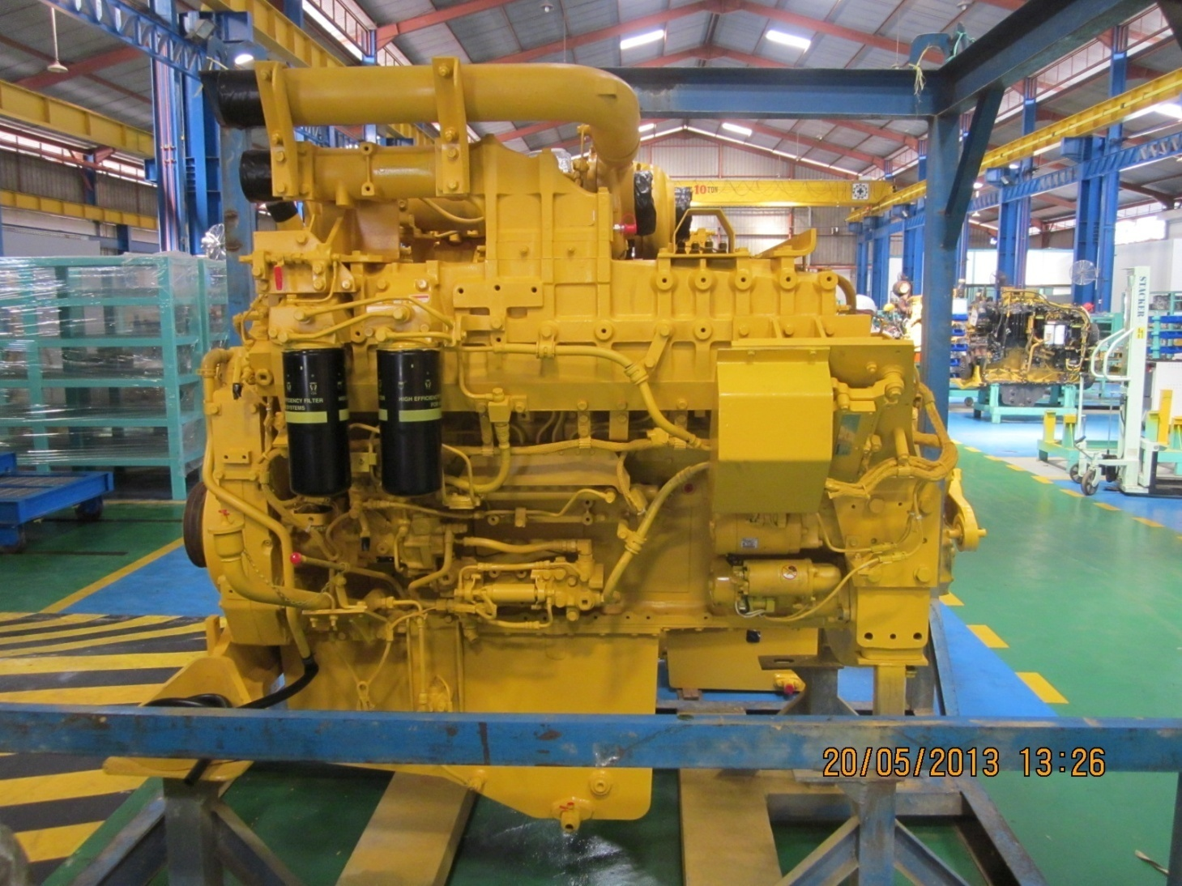
2
27
 |  |  |  | 3 | Air Connector LH
3
26
25
 |  |  |  | 4 | Fuel Filter Assy LH
4
 |  |  |  | 5 | Engine Name Plate,in front cover side
24
5
23
6
22
21
 |  |  |  | 6 | Tube, Breather With Hose LH
 |  |  |  | 7 | Fuel Supply Pump Assy LH (P/N : 6219-71-1110)
 |  |  |  |  | S/N :
7
 |  |  |  | 8 | Tube Oil Filler Cap
8
20
 |  |  |  | 9 | Gauge Oil (STD : H+ 0~10 mm)
19
 |  |  |  |  | Act : H +……10…………..mm
9
18
 |  |  |  | 10 | Engine Stand ( Original / Std )
17
 |  |  |  |  | Stand No :-
15
 |  |  |  | 11 | Oil Level Sensor Assy
13
14
16
 |  |  |  | 12 | Drain Oil Plug
 |  |  |  | 13 | Priming Pump Assy With Cover LH
10
11
 |  |  |  | 14 | Warning Sticker Oil Level
 |  |  |  | 15 | Bracket Mounting
12
 |  |  |  | 16 | Quality passed Inspection Tag
 |  |  |  | 17 | Oil Temperature Sensor
 |  |  |  | 18 | Oil Pressure Sensor
Rear Side View
29
 |  |  |  | 19 | Starting Motor Assy (7.5 KW) (P/N : 600-813-7542)
 |  |  |  |  | Upper S/N :
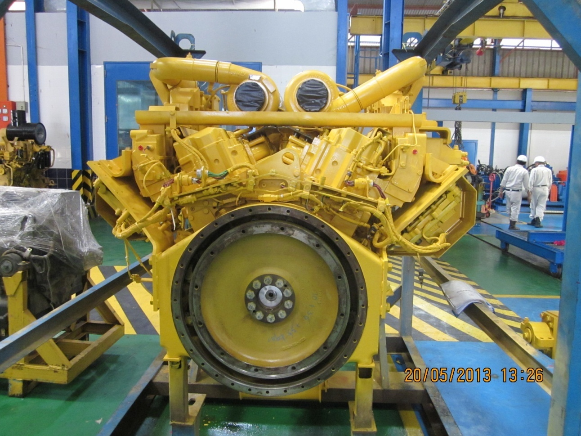
 |  |  |  |  | Lower S/N :
30
38
 |  |  |  | 20 | Fuel Pressure Sensor With Limiter Assy LH
37
 |  |  |  | 21 | Common Rail Assy
31
 |  |  |  | 22 | Boost Pressure Sensor
 |  |  |  | 23 | Intake Temperature Sensor
32
 |  |  |  | 24 | Air Intake Manifold LH
33
 |  |  |  | 25 | Exhaust Temperature Sensor (4 pcs) With Bracket
36
 |  |  |  | 26 | Heater Switch Assy With Cover LH
34
 |  |  |  | 27 | Exhaust Brake Assy LH
 |  |  |  | 28 | Bracket Exhaust Brake Mounting
 |  |  |  | 29 | Turbocharger Assy RH |  | P/N : 6505-67-5030
35
 |  |  |  |  |  |  | S/N :
 |  |  |  |  | Turbocharger Assy LH |  | P/N : 6505-67-5040
 |  |  |  |  |  |  | S/N :
 |  |  |  | 30 | Heat Tab position
 |  |  |  | 31 | Engine Controller Assy LH
 |  |  |  |  | S/N : |  | ESN :
 |  |  |  |  | P/N Assy :
 |  |  |  | 32 | Caution Flywheel Sticker and Water temperatur sensor
 |  |  |  | 33 | Pick Up Revolution Sensor
 |  |  |  | 34 | Flywheel Housing
 |  |  |  | 35 | Rear Bracket Mounting (2 pcs)
 |  |  |  | 36 | Flywheel (P/N : 6219-31-4110)
 |  |  |  | 37 | Engine Controller Assy RH
 |  |  |  |  | S/N : |  | ESN :
 |  |  |  |  | P/N Assy :
 |  |  |  | 38 | Exhaust Manifold Assy RH & LH

Notes :

2
PT SAPTAINDRA SEJATI
PLANT REBUILD CENTER

 |  | RECEIVING & DELIVERY | MACHINE MODEL | PC2000-8 | ENGINE PART NO. |  | 6219-B0-0031 | DOCUMENT NO. | RC/QR01/EG/01/02
 |  | INSPECTION SHEET | ENGINE MODEL | SAA12V140E-3 | WO ORDER NO. |  |  | PUBL. DATE
ENGINE |  |  | ENGINE NO. |  | DELIVERY DATE |  |  | REVISION NO. | 01
 |  |  | CUSTOMER NAME |  |  |  |  | PAGE | 2 OF 2

: GOOD CONDITION
X : BAD CONDITION ⊗ : NONE
BELOW ARE THE ITEMS RELATED TO DELIVERY INSPECTION AND WHILE YOU DOING THIS INSPECTION JOB, PLEASE REFERRING
TO THE REMANUFACTURED COMPONENTS - STANDARD CONFIGURATION.

Right Side View
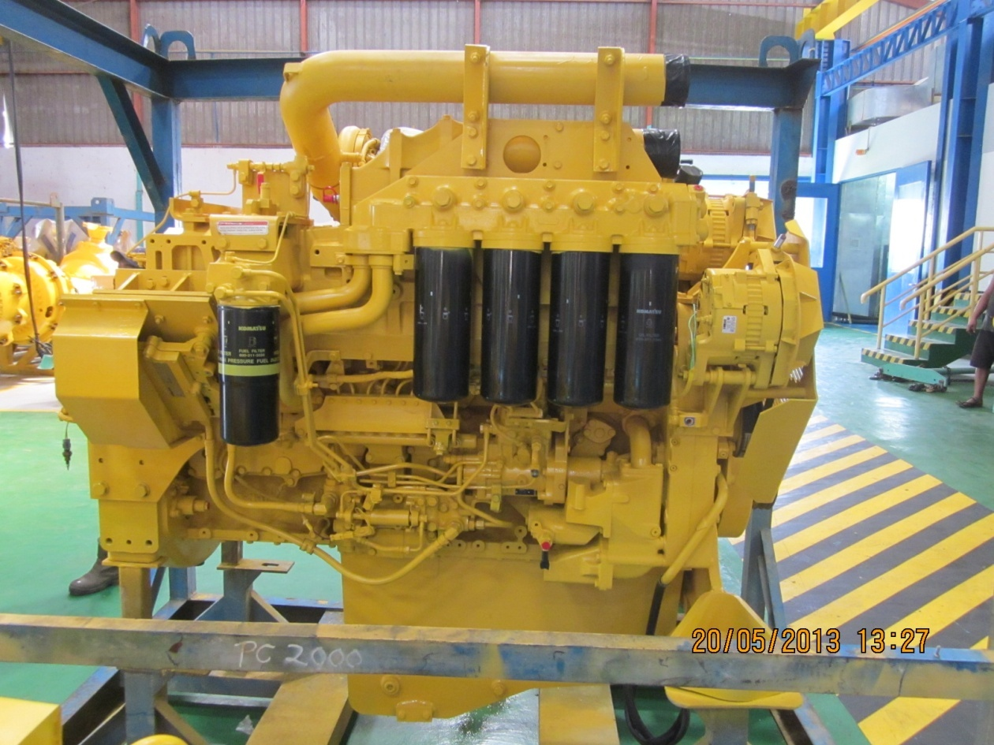
39
57
SKETCH DRAWING OR PHOTOES |  |  |  |  | NO. | ITEM |  |  | INSPECTION CONDITION
 |  |  |  |  | 39 | Air Connector RH
 |  |  |  |  | 40 | Exhaust Brake Assy RH
41
40
 |  |  |  |  | 41 | Heater Switch Assy With Cover RH
42
 |  |  |  |  | 42 | Air Intake Manifold RH
56
 |  |  |  |  | 43 | Oil Cooler Assy
 |  |  |  |  | 44 | Bearing divice
52
 |  |  |  |  | 45 | Fuel Pressure Sensor With Limiter Assy RH
55
 |  |  |  |  | 46 | Common Rail Assy
 |  |  |  |  | 47 | Priming Pump Assy With Cover RH
43
 |  |  |  |  | 48 | Fuel Supply Pump Assy RH (P/N : 6219-71-1120)
54
 |  |  |  |  |  | S/N :
 |  |  |  |  | 49 | Oil Pan
 |  |  |  |  | 50 | Water Inlet Cover Plate
44
53
 |  |  |  |  | 51 | Water Pump Assy
 |  |  |  |  | 52 | Fuel Filter Assy
45
46
47
48
51
 |  |  |  |  | 53 | Cover Safety Guard Alternator
50
 |  |  |  |  | 54 | Tube, Breather With Hose RH
49
 |  |  |  |  | 55 | Oil Filter Assy
Front Side View
74
 |  |  |  |  | 56 | Alternator Assy (90A) (P/N : 600-825-9330) 2 pcs
 |  |  |  |  |  | Upper S/N:
58
73
 |  |  |  |  |  | Lower S/N:
59
 |  |  |  |  | 57 | Tube Air Intake Connection RH
60
72
 |  |  |  |  | 58 | Plate Front Hanger
71
 |  |  |  |  | 59 | Fan Drive With Pulley Assy
61
70
 |  |  |  |  | 60 | Block Fuel Return With Sensor Assy RH & LH
62
69
 |  |  |  |  | 61 | V-Belt Alternator
 |  |  |  |  | 62 | Alternator Drive Pulley
63
68
 |  |  |  |  | 63 | Alternator guard front side
67
 |  |  |  |  | 64 | Vibration Damper Assy (P/N : 6215-31-8200)
64
66
 |  |  |  |  | 65 | Front Support
65
 |  |  |  |  | 66 | Crank Pulley Assy
 |  |  |  |  | 67 | Pointer
 |  |  |  |  | 68 | Yoke
 |  |  |  |  | 69 | V-Belt Fan Set
 |  |  |  |  | 70 | Blowbay Sensor Assy
 |  |  |  |  | 71 | Water Temperature Sensor
 |  |  |  |  | 72 | Thermostat Housing
 |  |  |  |  | 73 | Tube Water Outlet (2 pcs)
 |  |  |  |  | 74 | Cooling Fan
 |  |  |  |  | 75 | Masking condition
 |  |  |  |  | 76 | Check Mounting Bolt (Rear Bracket & Front Support)
 |  |  |  |  |  | Std Tightening Torque : 25 kgm

Notes :

 | Inspected by, |  |  |  |  |  |  | Aproved by,

